Clients Requirement
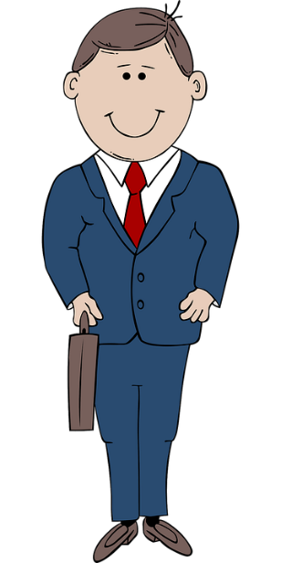

Find Top 3 Supplier names and I'll Pay you Rs. 875

Home Work
Write the Highest Selling Supplier Name and Sales amount in the comment section of this video :)


Solve this Question and I'll Pay you Rs. 875
Supplier No. | Supplier Name | Transaction Amt. Rs.
501256 | AutoEngines Ltd. | 110,279
 |  | 90,500
 |  | 122,639
601457 | CarChassis Co. | 150,411
 |  | 187,781
 |  | 131,918
701850 | DriveTrain Systems | 64,676
 |  | 97,210
 |  | 82,500
 |  | 75,096
851926 | Vehicle Electronics Inc. | 112,433
 |  | 58,903
 |  | 150,393
920612 | AutoBody Works | 175,059
 |  | 103,265
1020976 | TireHub Solutions | 104,405
 |  | 31,483
 |  | 161,150
 |  | 134,819
 |  | 179,814
1477072 | MotorLubricants Ltd. | 43,118
 |  | 155,513
 |  | 177,347
258967 | AutoSafety Products | 101,077
 |  | 94,638
 |  | 178,512
410297 | HighPerformance Motors | 143,004
 |  | 182,525
 |  | 102,964
744088 | Compact Cars Corp. | 19,942
 |  | 127,960
 |  | 138,556
 |  | 64,088
 |  | 103,953

